Sheet1
Type | Oxide | P-dose | GR | Site | Device | BD Max | BD Min
SOI | Wet | 5E+12 | MF | F | SOI-Wet-5E+12-MF-F | 430 | 410
FZ | Wet | 5E+12 | MF | F | FZ-Wet-5E+12-MF-F | 148 | 120
FZ | Dry | 5E+12 | MF | F | FZ-Dry-5E+12-MF-F | 125 | 120

Note on GR: MF means Multiple Float.

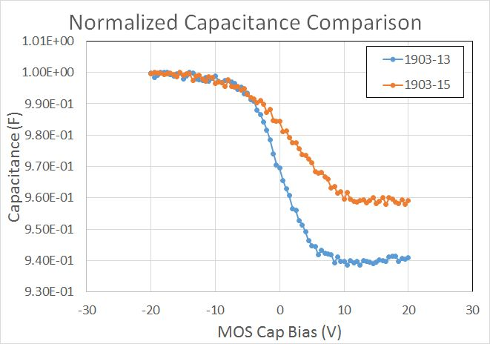
AC Freq.: 1 MHz
AC bias: 0.1 V RMS
DC Sweep: -20 to 20 V

