Cable
COIL # | Cable number | CABLE |  |  |  |  |  | INSULATION | CORE
 |  | Num of strands | Strand Heat Treat | pitch-length [mm] | Length (m) | Cable Left (m) | Cable Used (m) | type | material | Thickness [µm] | Width [mm] | 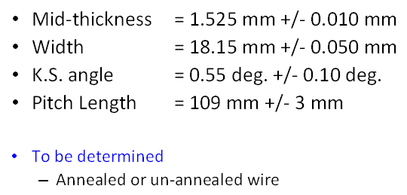

1 | 1059Z | 40 | yes | 109 | 441.7 | 38.2 | 403.5 | Braided | SS316L | 25 | 11.8
2 | P35OL1060A | 40 | yes | 109 | 444 | 37.9 | 406.1 | Braided | SS316L | 25 | 11.8
3 | P47OL1064 | 40 | yes | 109 | 445.6 | 39 | 406.6 | Braided | SS316L | 25 | 11.8
4 | P47OL1069 | 40 | yes | 109 | 440.8 | 35.8 | 405.0 | Braided | SS316L | 25 | 11.8
5 | P43OL1070A | 40 | yes | 109 | 446.1 | 36.4 | 409.7 | Braided | SS316L | 25 | 11.8

L1 length measurements
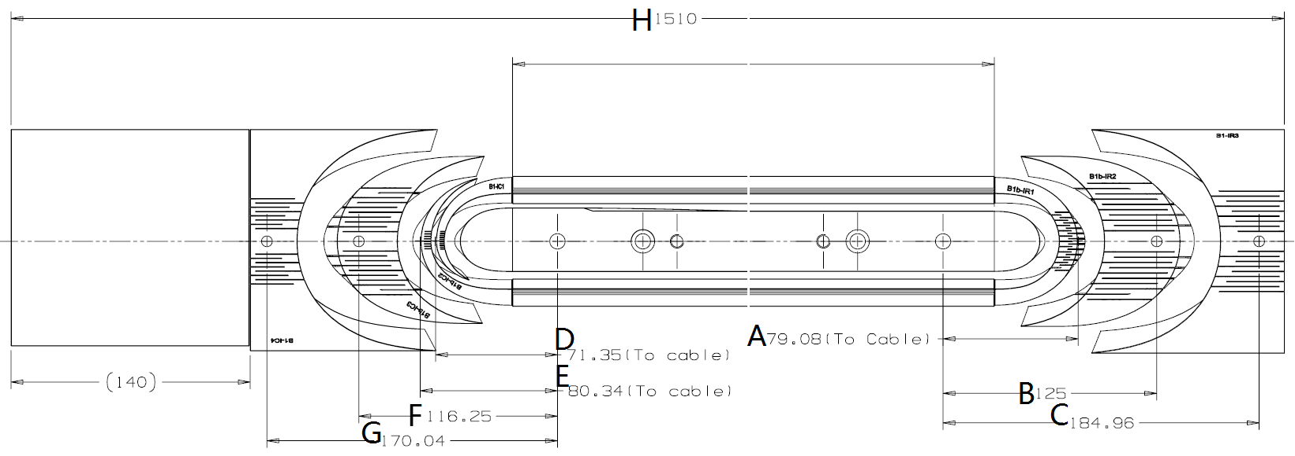
 | Dimensions before curing L1 |  |  |  |  |  |  |  |  |  |  | Dimensions after curing L1 [mm]
COIL # | Pole Gap [mm] | A [mm] | B [mm] | C [mm] | D [mm] | E [mm] | F [mm] | G [mm] | H [cm] | Total wedge Gap T side [mm] | Total wedge Gap NT side [mm] | Pole Gap [mm] | A [mm] | B [mm] | C [mm] | D [mm] | E [mm] | F [mm] | G [mm] | H [cm] | Total wedge Gap T side [mm] | Total wedge Gap NT side [mm]
CAD_V1 | 0 | 74 | 125 | 184.96 | 68.5 | 77.5 | 116.25 | 170.04 | 431 | 0 | 0 | 0 | 74 | 125 | 184.96 | 68.5 | 77.5 | 116.25 | 170.04 | 431 | 0 | 0
1a | 20.25 | 73.34 | 123.7 | 182.73 | 67.86 | 76.57 | 114.86 | 168.21 | 432.7 | 8.5 | 7.12 | 18.07 | 73.54 | 123.92 | 182.33 | 68.56 | 76.74 | 115.63 | 168.18 | 432.4 | 8.69 | 7.38
Δ1a | 20.25 | -0.66 | -1.3 | -2.23 | -0.64 | -0.93 | -1.39 | -1.83 | 1.7 | 8.5 | 7.12 | 18.07 | -0.46 | -1.08 | -2.63 | 0.06 | -0.76 | -0.62 | -1.86 | 1.4 | 8.69 | 7.38
1b | 20.25 | 73.48 | 123.7 | 184.46 | 68.35 | 76.99 | 115.71 | 170.94 | 432.7 | 7.75 | 6.1 | 19.28 | 73.79 | 125.01 | 184.64 | 67.9 | 77.03 | 116.4 | 171.22 | 433.1 | 7.45 | 6.35
Δ1b | 20.25 | -0.52 | -1.3 | -0.5 | -0.15 | -0.51 | -0.54 | 0.9 | 1.7 | 7.75 | 6.1 | 19.28 | -0.21 | 0.01 | -0.32 | -0.6 | -0.47 | 0.15 | 1.18 | 2.1 | 7.45 | 6.35
2 | 16.62 | 73.4 | 122.78 | 183.31 | 68.13 | 77.5 | 115.96 | 170.96 | 433.2 |  |  | 15.07 | 73.54 | 124.61 | 183.65 | 69.01 | 77.54 | 116.79 | 171.65 | 432.5 | 36.35 | 37.54
Δ2 | 16.62 | -0.6 | -2.22 | -1.65 | -0.37 | 0 | -0.29 | 0.92 | 2.2 |  |  | 15.07 | -0.46 | -0.39 | -1.31 | 0.51 | 0.04 | 0.54 | 1.61 | 1.5 | 36.35 | 37.54
CAD | 0 | 79.3 | 125 | 192 | 78.65 | 87.25 | 114.25 | 156.25 | 431 | 0 | 0 | 0 | 79.3 | 125 | 192 | 78.65 | 87.25 | 114.25 | 156.25 | 431 | 0 | 0
3 | 15.75 | 78.25 | 123.08 | 190.72 | 77.9 | 86.19 | 112.72 | 154.64 | 432.4 | 27.77 | 27.66 | 15.03 | 78.52 | 123.33 | 190.33 | 77.43 | 85.94 | 112.37 | 154.91 | 432.1 | 26.82 | 25.52
Δ3 | 15.75 | -1.05 | -1.92 | -1.28 | -0.75 | -1.06 | -1.53 | -1.61 | 1.4 | 27.77 | 27.66 | 15.03 | -0.78 | -1.67 | -1.67 | -1.22 | -1.31 | -1.88 | -1.34 | 1.1 | 26.82 | 25.52
4 | 15.75 | 78.69 | 123.73 | 190.59 | 78.23 | 86.39 | 113.52 | 155.41 | 432.6
Δ4 | 15.75 | -0.61 | -1.27 | -1.41 | -0.42 | -0.86 | -0.73 | -0.84 | 1.6
5 | 15.75 | 78.82 | 123.48 | 192.71 | 78.15 | 88.23 | 115.72 | 157.65 | 432.9
Δ5 | 15.75 | -0.48 | -1.52 | 0.71 | -0.5 | 0.98 | 1.47 | 1.4 | 1.9

QXFP 01 Measurement for L1
QXFP 1b Measurement for L1
QXFP 02 Measurement for L1

L2 length measurements
 | Dimensions before curing L2 |  |  |  |  |  |  |  |  |  |  | Dimensions after curing L2 (coil sitting on the mandrel) |  |  |  |  |  |  |  |  |  |  | Release tension |  |  |  | Reaction
COIL # | Pole Gap [mm] | I [mm] | J [mm] | K [mm] | L [mm] | M [mm] | N [mm] | O [mm] | P [cm] | Total wedge Gap T side [mm] | Total wedge Gap NT side [mm] | Pole Gap [mm] | I [mm] | J [mm] | K [mm] | L [mm] | M [mm] | N [mm] | O [mm] | P [cm] | Total wedge Gap T side [mm] | Total wedge Gap NT side [mm] | Pole Gap [mm] | Total wedge Gap T side [mm] | Total wedge Gap NT side [mm] | P [cm] | Gap before reaction [mm] | Gap after reaction [mm] | Total wedge Gap T side [mm] | Total wedge Gap NT side [mm] | P before reaction [cm] | P after reaction [cm]
CAD_V1 | 0 | 53.97 | 110 | 184.96 | 51.25 | 87.25 | 110.25 | 170.04 | 432.4 | 0 | 0 | 0 | 53.97 | 110 | 184.96 | 51.25 | 87.25 | 110.25 | 170.04 | 432.4 | 0 | 0 | 0 | 0 | 0 | 432.4 | 0 | 0 | 0 | 0 | 0 | 0
1 | 18.24 | 53.81 | 108.85 | 183.32 | 51.48 | 87.02 | 109.69 | 169.63 | 432.6 | 35.52 | 35.11 | 16.04 | 53.93 | 109.35 | 183.39 | 51.31 | 87.39 | 110.33 | 168.99 | 432.6 | 30.95 | 30.89 | 14.91 | 31.61 | 31.57 | 432.4 | 13.4 | 4 | 30.2 | 30.6
Δ1 | 18.24 | -0.16 | -1.15 | -1.64 | 0.23 | -0.23 | -0.56 | -0.41 | 0.2 | 35.52 | 35.11 | 16.04 | -0.04 | -0.65 | -1.57 | 0.06 | 0.14 | 0.08 | -1.05 | 0.2 | 30.95 | 30.89 | 14.91 | 31.61 | 31.57 | 0 | 13.4 | 4 | 30.2 | 30.6 | 0
1b | 18.95 | 53.67 | 109.06 | 183.77 | 51.15 | 86.36 | 108.5 | 169.03 | 432.9 |  |  | 17.02 | 53.71 | 109.47 | 183.71 | 50.96 | 86.72 | 109.22 | 169.36 | 432.1 |  |  | 15.6 |  |  |  | 15.2 | 6.82 | 26.67 | 29.95 |  | 431.7
Δ1b | 18.95 | -0.3 | -0.94 | -1.19 | -0.1 | -0.89 | -1.75 | -1.01 | 0.5 |  |  | 17.02 | -0.26 | -0.53 | -1.25 | -0.29 | -0.53 | -1.03 | -0.68 | -0.3 |  |  | 15.6 |  |  |  | 15.2 | 6.82 | 26.67 | 29.95
2 | 13.85 | 53.84 | 108.7 | 182.76 | 51.24 | 86.45 | 108.88 | 171.11 | 432.4 | 29.05 | 33.35 | 13.33 | 53.58 | 109.1 | 183.42 | 51.97 | 87.06 | 109.83 | 173.87 | 432.4 | 27.47 | 25.23 | 12.75 | 29.18 | 26.31 | 433.8 | 10.1 | 4.3
Δ2 | 13.85 | -0.13 | -1.3 | -2.2 | -0.01 | -0.8 | -1.37 | 1.07 | 0 | 29.05 | 33.35 | 13.33 | -0.39 | -0.9 | -1.54 | 0.72 | -0.19 | -0.42 | 3.83 | 0 | 27.47 | 25.23 | 12.75 | 29.18 | 26.31 | 1.4 | 10.1 | 4.3
CAD | 0 | 58.2 | 104.04 | 184.72 | 62.25 | 93.25 | 113.25 | 163.25 | 431 | 0 | 0 | 0 | 58.2 | 104.04 | 184.72 | 62.25 | 93.25 | 113.25 | 163.25 | 431 | 0 | 0 | 0 | 0 | 0 | 431 | 0 | 0 | 0 | 0
3 |  | 58.11 | 101.15 | 182.38 | 61.96 | 91.74 | 111.3 | 161.32 | 431.8 |  |  |  |  |  |  |  |  |  |  |  |  |  | 10.481 | 18.73 | 16.39 | 432.143 | 10.173 | 3.748 | 19.69 | 18.8
Δ3 |  | -0.09 | -2.89 | -2.34 | -0.29 | -1.51 | -1.95 | -1.93 | 0.8 |  |  |  |  |  |  |  |  |  |  |  |  |  | 10.481 | 18.73 | 16.39 | 1.143 | 10.173 | 3.748 | 19.69 | 18.8
4 |  | 58.92 | 102.48 | 183.56 | 63.15 | 93.36 | 112.6 | 163.04 | 432.4 |  |  |  |  |  |  |  |  |  |  |  |  |  | 9.312 | 22.91 | 22.19 | 432 | 8.35 | 2.7
Δ4 |  | 0.72 | -1.56 | -1.16 | 0.9 | 0.11 | -0.65 | -0.21 | 1.4 |  |  |  |  |  |  |  |  |  |  |  |  |  | 9.312 | 22.91 | 22.19 | 1 | 8.35 | 2.7
5 |  |  |  |  |  |  |  |  |  |  |  |  |  |  |  |  |  |  |  |  |  |  | 10.56 | 11.78 | 18.85 | 433.1 | 7.81 | 4.86
Δ5 |  |  |  |  |  |  |  |  |  |  |  |  |  |  |  |  |  |  |  |  |  |  | 10.56 | 11.78 | 18.85 | 2.1 | 7.81 | 4.86

7
Δ7
8
Δ8
9
Δ9

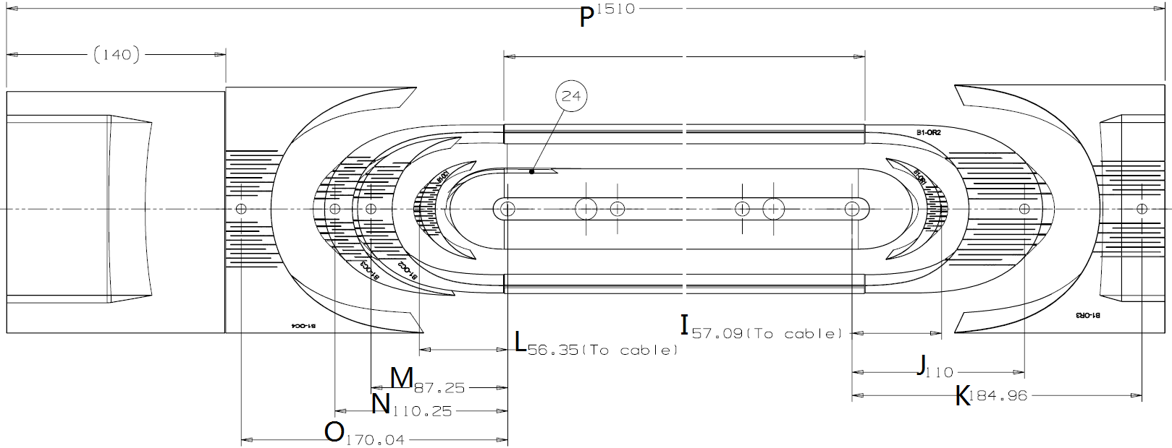

SQXF Coil 1 Measurement for L2

SQXF Coil 2 Measurement for L2

Pole Gap
QXFP Pole Gap Measurements
 | Original Gap | After release tension | Before Reaction | After reaction
1a | 20.25 | 14.91 | 13.4 | 4
1b | 20.25 | 15.6 | 15.2 | 6.82
2 | 16.62 | 12.75 | 10.1 | 4.3
3 | 15.75 | 10.481 | 10.173 | 3.748
4 | 15.75 | 9.312 | 8.35 | 2.7
5 | 15.75 | 10.56 | 7.81 | 4.86

