030 Drawing Parts
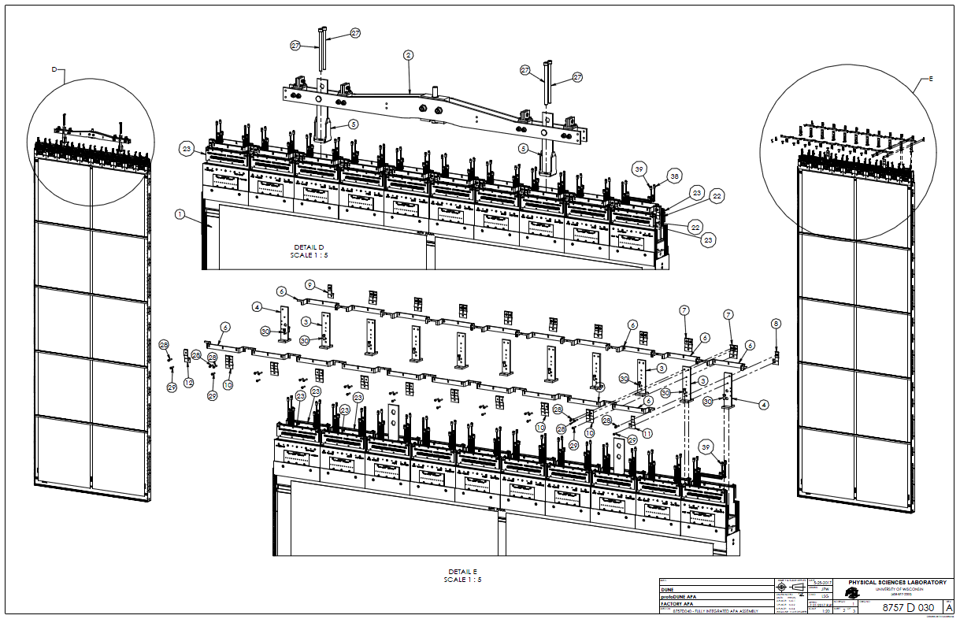
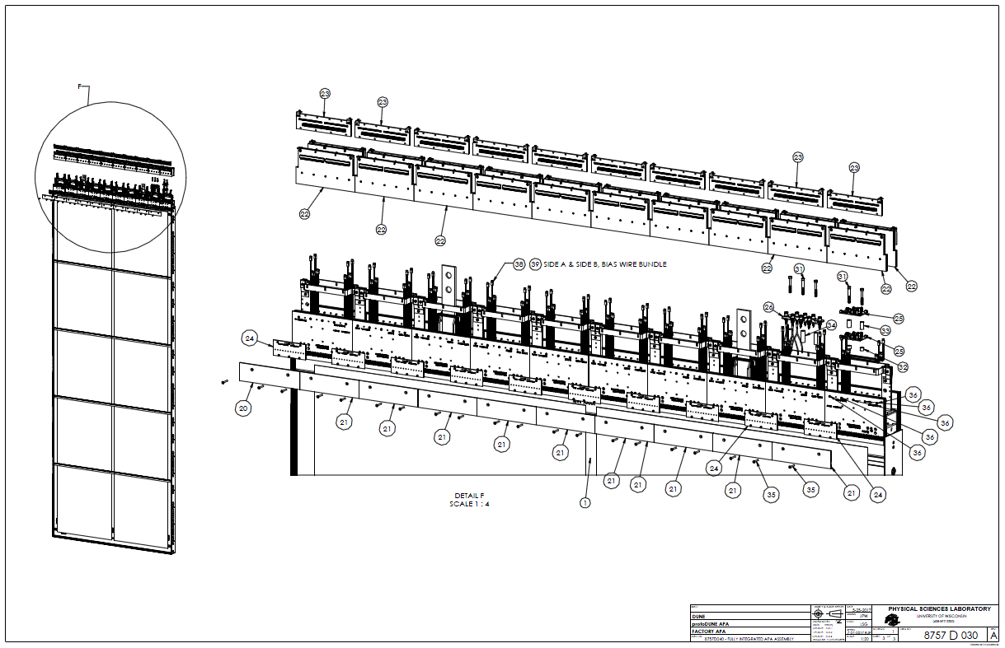
 | APA 002 and 003 Material planning for 8757030
 | 8757-030 BOM Item | part # | description | Responsible group | Operation type | qty/APA | Qty to buy/APA | Comments | Desired # of spares | Qty on hand, finished | Qty in process | Add'l to purchase for PSL APA 3 | Add'l to purchase for PSL APAs 3&4 | Add'l to purchase for UK APA 1 | Add'l to purchase for UK APA 1 & 2 | Add'l to purchase for UK APA 1, 2 & 3
Steel Brackets, clamps, and tees
 | 3 | 8757 027 | Bracket, Tee, CE Enclosure | mechanical | Machine / weld | 9 | 9 |  | 2 | 14 | 0 | -3 | 6 | 11 | 20 | 29
 | 4 | 8757 028 | Bracket, Tee, Ends, CE Enclosure | mechanical | Machine / weld | 2 | 2 |  | 1 | 6 | 0 | -3 | 0 | 3 | 5 | 7
 | 5 | 8757 029 | Bracket, Tee, Yoke Assembly | mechanical | Machine / weld | 2 | 2 |  | 1 | 0 | 0 | 3 | 6 | 3 | 5 | 7
 | 6 | 8757 208 | Bracket, CE Enclosure MOUNT, Thru Hole | mechanical | Form / machine | 20 | 20 |  | 2 | 0 | 46 | -24 | -4 | 22 | 42 | 62
 | 7 | 8757 219 | CE Enclosure Bracket - CLAMP - PEM | mechanical | Form / finish | 9 | 11 |  | 3 | 0 | 25 | -11 | -1 | 14 | 25 | 36
 | 8 | 8757 294 | CE Enclosure Bracket - CLAMP - PEM | mechanical | Form / finish | 1 | 0 | made from 8757 219 | 0 | 0 | 0 | 0 | 2 | 0 | 0 | 0
 | 9 | 8757 292 | CE Enclosure Bracket - CLAMP - PEM | mechanical | Form / finish | 1 | 0 | made from 8757 219 | 0 | 0 | 0 | 0 | 2 | 0 | 0 | 0
 | 10 | 8757 218 | CE Enclosure Bracket - CLAMP - Thru Hole | mechanical | Form / finish | 9 | 11 |  | 3 | 0 | 25 | -11 | -1 | 14 | 25 | 36
 | 11 | 8757 293 | CE Enclosure Bracket - CLAMP - Thru Hole | mechanical | Form / finish | 1 | 0 | made from 8757 218 | 0 | 0 | 0 | 0 | 2 | 0 | 0 | 0
 | 12 | 8757 291 | CE Enclosure Bracket - CLAMP - Thru Hole | mechanical | Form / finish | 1 | 0 | made from 8757 218 | 0 | 0 | 0 | 0 | 2 | 0 | 0 | 0
Cover Boards | 13 | 8758 156 | Cover, Foot Assembly - High Slot End | mechanical |  | 1 | 1 | at APA foot | 1 | 4 | 0 | -2 | 0 | 2 | 3 | 4
 | 14 | 8758 157 | Cover, Foot Assembly - Middle | mechanical |  | 8 | 8 | at APA foot | 2 | 12 | 0 | -2 | 6 | 10 | 18 | 26
 | 15 | 8759 158 | Cover, Foot Assembly - Low Slot End | mechanical |  | 1 | 1 | at APA foot | 1 | 4 | 0 | -2 | 0 | 2 | 3 | 4
 | 16 | 8757 034 | Cover, Side, Foot End | mechanical |  | 2 | 2 | at APA side | 1 | 7 | 0 | -4 | -1 | 3 | 5 | 7
 | 17 | 8757 035 | Cover, Side, Head End | mechanical |  | 2 | 2 | at APA side | 1 | 7 | 0 | -4 | -1 | 3 | 5 | 7
 | 18 | 8757 036 | Cover, Side, W/ Slot | mechanical |  | 14 | 14 | at APA side | 2 | 17 | 0 | -1 | 13 | 16 | 30 | 44
 | 19 | 8757 037 | Cover, Side, W/O Slot | mechanical |  | 24 | 24 | at APA side | 2 | 26 | 0 | 0 | 24 | 26 | 50 | 74
 | 20 | 8757 267 | Cover - Head - Left End |  |  | 2 | 2 |  | 1 | 3 | 0 | 0 | 3 | 3 | 5 | 7
 | 21 | 8757 268 | Cover - Head - Middle & Right End |  |  | 18 | 18 |  | 2 | 23 | 0 | -3 | 15 | 20 | 38 | 56
Electronics Boards | 22 | 8757 213 | CR PCB Assembly | electrical | Populate / Clean | 20 | 20 |  |  | ? | 0 |  |  | 20 | 40 | 60
 | 23 | 8757 241 | CE to CR Adapter Board Assembly | electrical |  | 20 | 20 |  |  | ? | 0 |  |  | 20 | 40 | 60
 | 24 | 8757 286 | G Bias Filter Board Assembly | electrical |  | 20 | 20 |  |  | ? | 0 |  |  | 20 | 40 | 60
 | 25 | Field Cage Terminations PCBd | Field Cage Terminations PCBd | electrical |  | 2 | 2 |  |  | ? | 0 |  |  | 2 | 4 | 6
 | 26 | SHV Distribution PCB Assy | SHV Distribution PCB Assy | electrical | Populate / Clean | 1 | 1 |  |  | ? | 0 |  |  | 1 | 2 | 3
Hardware | 27 | 8757 220 | M12-1.75 x 180 SHCS A2-70 SS Silver Plated, attach support tees | mechanical |  | 4 | 4 |  | 1 | 10 | 0 | -5 | 0 | 5 | 9 | 13
 | 28 | 8757 224 | M4-0.70 x 25 SHCS A2-70 SS Silver Plated, clamps | mechanical |  | 20 | 20 |  | 10 | 119 | 0 | -89 | -77 | 30 | 50 | 70
 | 29 | 8757 225 | M4-0.70 x 20 SHCS A2-70 SS Silver Plated, clamps | mechanical |  | 11 | 11 |  | 10 | 44 | 0 | -23 | -20 | 21 | 32 | 43
 | 30 | 8757 176 | M6-1.0 x 16mm SHCS A2-70 SS Silver Plated, attach CE tees | mechanical |  | 22 | 22 |  | 10 | 103 | 0 | -71 | -57 | 32 | 54 | 76
 | 31 | 8757 247 | M6-1.0 x 50mm SHCS A2-70 SS Silver Plated | electrical |  | 5 | 5 |  | 3 | 20 | 0 | -12 | -8 | 8 | 13 | 18
 | 32 | McMC 92871A253 | Spacer Unthreaded 6.30 ID 13.00 OD x 10.0 mm long 18-8 SS | electrical |  | 2 | 2 |  | 2 | 8 | 0 | -4 | -2 | 4 | 6 | 8
 | 33 | McMC 92871A271 | Spacer Unthreaded 6.30 ID 13.00 OD x 25.0 mm long 18-8 SS | electrical |  | 2 | 2 |  | 2 | 8 | 0 | -4 | -2 | 4 | 6 | 8
 | 34 | McMC 92871A280 | Spacer Unthreaded 6.30 ID 13.00 OD x 40.0 mm long 18-8 SS | electrical |  | 3 | 3 |  | 2 |  | 0 | 5 | 8 | 5 | 8 | 11
 | 35 | 8757 284 | M4-0.70 x 30 FHSCS A2-70 SS Silver Plated, attach cover boards |  |  | 40 | 40 |  | 10 | 122 | 0 | -72 | -40 | 50 | 90 | 130
 | 36 |  | M3-0.5 x 25mm SHCS SS A2-70, CR boards to board stack | electrical |  | 100 | 100 |  | 20 |  | 0 | 120 | 202 | 120 | 220 | 320
 | 37 | 8757 163 | M4-0.70 x 16 FHSCS A2-70 SS Silver Plated, attach side boards | mechanical |  | 84 | 84 |  | 20 | 122 | 0 | -18 | 48 | 104 | 188 | 272
Harness | 38 | 8757 289 | Side A - Bias Wire Bundle | electrical |  | 1 | 1 |  | 0 |  | 0 | 1 | 4 | 1 | 2 | 3
 | 39 | 8757 290 | Side B - Bias Wire Bundle | electrical |  | 1 | 1 |  | 0 |  | 0 | 1 | 4 | 1 | 2 | 3

 |  | Consumable Cleaner | 5768 Highly Concentrated Flux Cleaner, 1 gallon | electrical | board cleaning

Shipping Protective Cover Parts
Shipping Suspension System
Parts | Part Hardware | Purpose / comments | Qty / APA | Description | Source | Mat'l CERT Req'd/ Rec'vd | Part # if purchased part | Drawing # if made in house

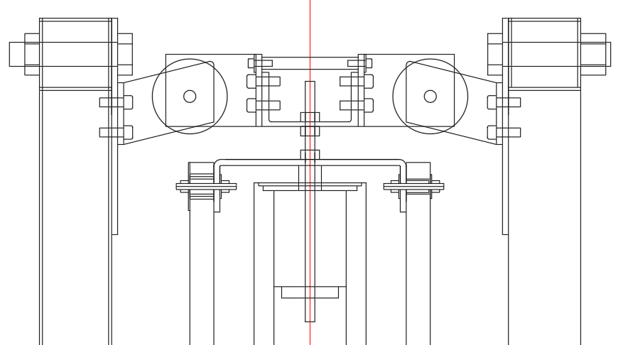
Long studs |  | Attach guard channel and provide lifting points | 11 | 10" pc of M10 thd rod with section turned down | Fastenal medium carbon steel / PSL | Y/ | 11505255 | 8757-297
 | M10 nuts for above | hold protective channel and aluminum channel | 33 |  | MSC | Y/ | 67476689 | no
short studs |  | Attach guard channel - both sides and at foot | 20 | 3.5" pc of M10 thd rod | Fastenal medium carbon steel / PSL | N/ | 11505255 | 8757-298
 | M10 nuts for above | hold protective channel(s) | 20 |  | MSC | N/ | 67476689 | no
Threaded insert spacers |  | Nitronic 60 | 31 | standoffs to hold fiberglass channel away from boards |  | N/ |  | 8752-717
Special threaded insert spacers for foot |  | Nitronic 60 | 4 | Same as regular spacers except shorter |  | N/ |  | 8757-408
 | Screws for use with special spacers above FHSCS M10-1.5 x 60 | hold protective channel at foot | 4 | M10-1.5x60 FHSCS turned down to 8.3 mm on section below head | Fastenal / PSL | N/ | 39984 | 8757-409
Lifting extension coupling nuts |  | extend thread above channel for lifting beam | 4 | 10mm coupling nut | Fastenal | Y/ | 161915 | no
Lifting extension studs |  |  | 4 | 10mm studs | MSC | Y/ | 68068964 | no

Protective covers
Channel frame |  | Surrounds APA to hold protective panels | 4@~10' 2@~8' | 8" x 2-3/16" x 1/4" fiberglass channel, various lengths | liberty pultrusion | N/ |  | 4 Drawings, #s TBD
Head attachment brackets |  | Hold head channel to structural Ts | 4 | L brackets, 2.5" legs, 1.5" wide | MSC / PSL | N/ | 36750826 | 8757-299
 | screws | brackets to channel | 12 | 10-32 x 1/2" SHCS | MSC | N/ | 05498050 | no
 | glue in inserts for above |  | 12 | 10-32 thread | MSC | N/ | 82141177 | no
 | screws | attach brackets to Ts | 2 | 3/4-10 x 1 1/4 hex cap | MSC | N/ | 02382927 | no
 | nut for above | without nylock | 2 | 3/4-10 | MSC | N/ | 87920971 | no
Brackets for frame corners |  | join channel corners | 8 | 5/16-24 holes 1.115 apart | MDC vacuum supply | N/ | pn-800 | no
 | screws for corner brackets | join channel corners | 32 | 5/16-24 x 1/2" SHCS | MSC | N/ | 5511050 | no
protective panels |  | Attach to frame to protect APA | 12 pcs | Ten 4' x 8' x 1" panels + 2 narrow end pieces | Menards Foil backed polyisocyanurate foam by JM | N/ |  | 8757-399 8757-401 8757-402
Panel mount hardware | screws |  | 100 | 1/4-20 x 2.5" set screw | Fastenal | N/ | 25340 | no
 | nuts for above |  | 200 | 1/4-20 nylon insert lock nut | Fastenal | N/ | 37573 | no
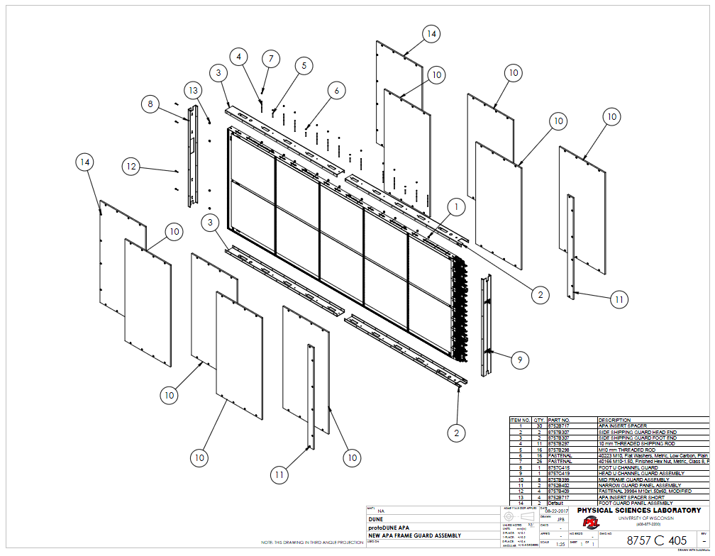
 | washers for above |  | 200 | 1/4" washer | Fastenal | N/ | 1133207 | no
 | large OD washers if foam panels | If these are used only need 100/APA of previous washer | 100 | 1/4" ID x 2" OD | MSC | N/ | 67493601 | no
 | rigid inserts for holes in foam panels | strengthen and cover foam | 100 | 1" pcs of 3/4" nom. Sched 40 PVC pipe | mat'l MSC, fab at PSL | N/ |  | 8757-398 (two styles on dwg)
Panel mount spacers |  |  | 100 | 1/2" x 1" x 1/4-20 spacer | aluminumspacers.com | N/ | AS50-1420-64 | no
Tape to cover edges of panels |  | Keeps foam core enclosed | ~100 yds | 3M #3380 foil tape, 3" wide | MSC | N/ | 5511050 | no

