Sheet1
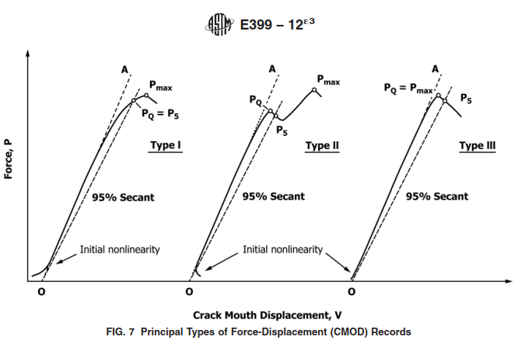
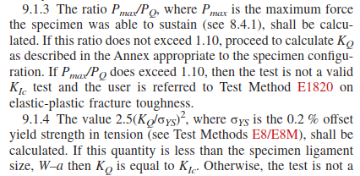
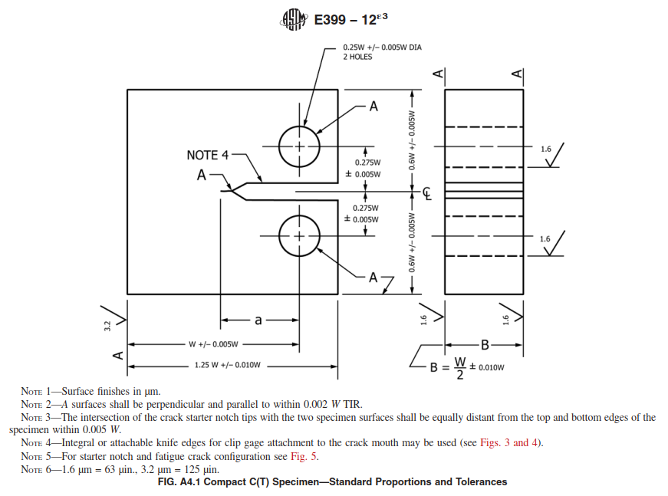
 |  | From TL ANDERSON "Fracture Mechanics 2nd Edition" Chapter 7 on Fratcture Toughness Testing: for a CT Sample, a is approximately equal to B which is W/2. This crack is grown so that for B,a >-= 2.5(Kic/yield stress)^2 valid for 0.45<a/W<0.55

 |  | Minimum | Expected | Yield
 |  | Sample Width | K1C Range | Stress | 1.2W | 1.25W | B
 |  | mm | MPa-root(m) | Mpa | mm | mm | mm
 |  | 2.3814967231 | 20 | 648 | 5.72 | 5.95 | 2.38 | Lowest Expected Kic
 |  | 14.884354519 | 50 | 648 | 35.72 | 37.21 | 14.88 | Highest Capable with max Sample

 | Forging Dimension
 | OD | 24.79 | in
 | ID | 21.2 | in
 | Thickness | 1.795 | in
 | Thickness | 45.593 | mm
 |  | Compare to 1.25W

 | Sample is in C-R Direction
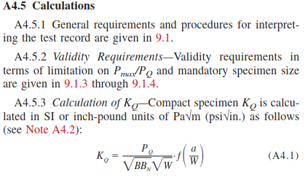
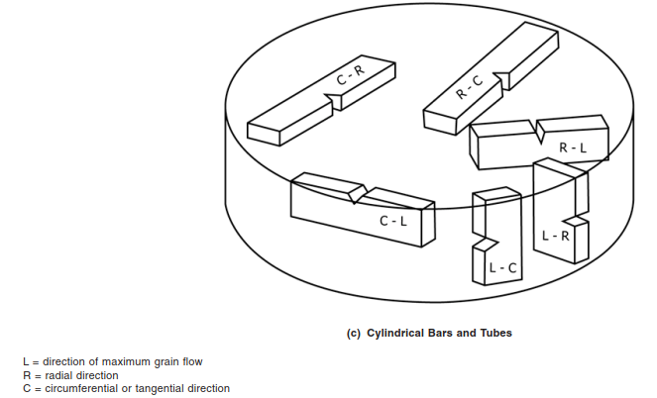

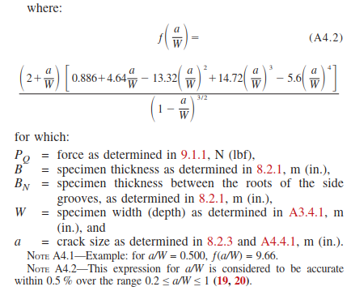

Sample Required in the C-R orientation

