Light Collector BOE
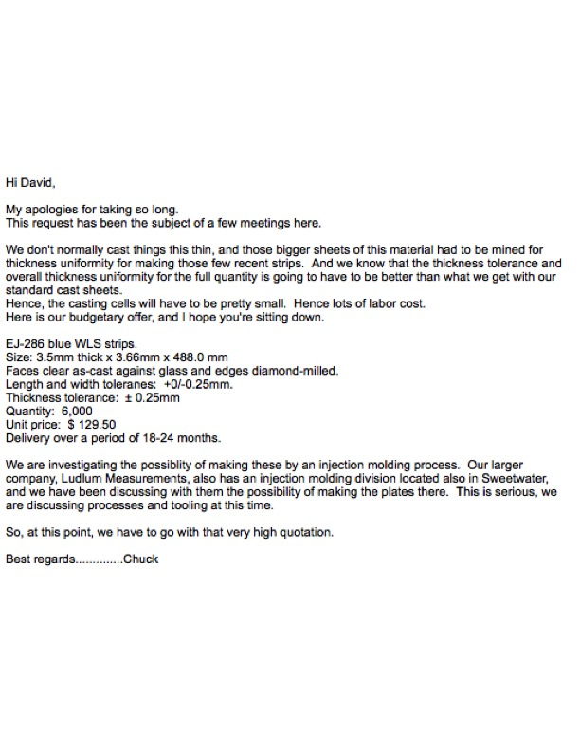
NOTE: QUOTES/ESTIMATES ARE NOT FINAL AND VETTED. FOR DISCUSSION ONLY!
WLS Plate VQ

