Correctors PS Const
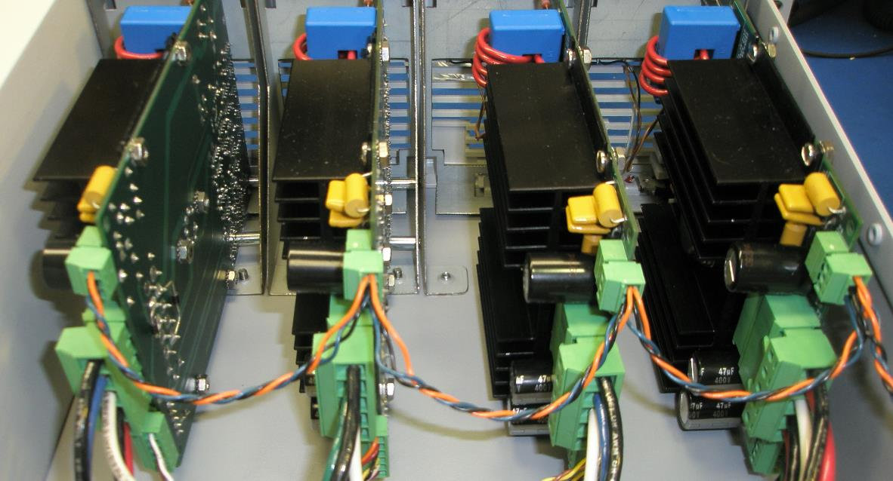
 |  |  |  |  |  |  | HIGH CURRENT TRIM POWER SUPPLY REV. D | QTY. | QTY FOR | SUPPLY | QNTY | QNTY | QNTY | COST OF | QNTY | COST OF | SPARE | EST COST | EST COST | REQ | P.O. | ORDER | DATE | Distributor | Distributor | Distributor | CONTACT
item | Part Type | Manufacturer's | Mfgr's Part # or | Data | Comp. | Package | PART DESCRIPTION | PER | 8 | BY | TO BE |  | RECEIVED | PARTS | OUT- | PARTS OUT- | PARTS | PER | PER | DATE | NUMBER | DUE | RECEIVED |  | part # | Phone # | PERSON | COMMENTS
# |  | Name |  | Sheet | height | Size |  | BOARD | BOARDS | FNAL | ORDERED | ORDERED |  | RECEIVED | STANDING | STANDING | XPCTED | PART | BOARD |  |  | DATE
 |  |  |  |  | (in.) |  |  |  |  |  | 1.1
1 | cap |  |  | gotit | 0.04 |  | 100 pF Mica | 1 | 8 |  | 8.8 | 20 | 20 | $10.20 | 0 | $10.20 | 0.8 | $0.51 | $0.51 | 2009-07-22 |  |  | 2009-07-30 | stockroom | 1420-114000
2 | cap | Spraque | 192P6829R8 | gotit | 0.04 |  | .0068 uF polyester | 1 | 8 |  | 8.8 | 20 | 20 | $39.60 | 0 | $39.60 | 0.8 | $1.98 | $1.98 | 2009-07-22 |  |  | 2009-07-30 | stockroom | 1428-011500
3 | cap | Kemet | C330C104M1U5CA | gotit | 0.04 |  | .1uF ceramic capacitor, thru hole | 22 | 176 |  | 193.6 | 200 | 200 | $28.00 | 0 | $28.00 | 17.6 | $0.14 | $3.08 | 2009-07-22 |  |  | 2009-07-30 | stockroom | 1415-314000
4 | cap | Vishay/BC | BFC237321684 | gotit | 0.04 |  | .68uF Polyester film MKT, 100VDC, 10% | 2 | 16 |  | 17.6 | 25 | 0 | $0.00 | 17.6 | $18.00 | 1.6 | $0.72 | $1.44 | 2009-07-23 |  |  |  | Digikey | BC1772-ND | 800-344-4539 | Mark
5 | cap | Kemet | C350C225M1U5CA | gotit | 0.04 |  | 2.2uF ceramic capacitor, thru hole | 2 | 16 |  | 17.6 | 20 | 20 | $64.80 | 0 | $64.80 | 1.6 | $3.24 | $6.48 | 2009-07-22 |  |  | 2009-07-30 | stockroom | 1415-322000
6 | cap | Kemet | T322E336K035AT |  |  | 1206 | 33 uF Tant, 35V, axial | 2 | 16 | 18 | 0 | 0 | 0 | $0.00 | 0 | $0.00 | 2 | $4.74 | $9.48 |  |  |  |  | Newark | 70K8858 | 630-317-1000 | Nancy
7 | cap | Panasonic | EEU-ED2G470 |  |  |  | 47 uF, 400v electrolytic | 3 | 24 | 24 | 2.4 | 0 | 0 | $0.00 | 2.4 | $0.00 | 2.4 | $1.06 | $3.18 |  |  |  |  | Digikey | P13545-ND | 800-344-4539 | Mark
8 | diode | Fairchild | 1N758A |  | 0.3 | TO-5 | zener diode, 10 VZ | 2 | 16 |  | 17.6 | 20 | 20 | $4.00 | 0 | $4.00 | 1.6 | $0.20 | $0.40 | 2009-07-22 |  |  | 2009-07-30 | stockroom | 1445-1450
9 | diode | MEI | 1N914B |  | 0.3 | TO-5 | doide, 1N914 | 1 | 8 | 10 | 0 | 0 | 0 | $0.00 | 0 | $0.00 | 2 | $0.03 | $0.03 |  |  |  |  | stockroom | 1445-1550
10 | diode |  | 1N4005 |  | 0.3 | TO-5 | doide, 1N4005 | 2 | 16 | 0 | 17.6 | 20 | 20 | $1.20 | 0 | $1.20 | 1.6 | $0.06 | $0.12 | 2009-07-22 |  |  | 2009-07-30 | stockroom | 1445-245000
10 | transorb | Fairchild | P6KE16A |  |  | 1206 | Transorb, 16V, DO-15 | 2 | 16 |  | 17.6 | 100 | 0 | $0.00 | 17.6 | $21.00 | 1.6 | $0.21 | $0.42 | 2009-07-23 |  |  |  | Mouser | 512-P6KE16A | 800-346-6873
11 | transorb | Fairchild | P6KE18A |  |  | 1206 | Transorb, 18V, DO-15 | 2 | 16 | 18 | 0 | 0 | 0 | $0.00 | 0 | $0.00 | 2 | $0.21 | $0.42 |  |  |  |  | Newark | 58K2080 | 630-317-1000 | Nancy
12 | connector | Phoenix Contact | 1803280 | OK |  | 1206 | 3 pin conector, header 3.81mm pitchR\A | 1 | 8 |  | 8.8 | 10 | 0 | $0.00 | 8.8 | $9.30 | 0.8 | $0.93 | $0.93 | 2009-07-23 |  |  |  | Mouser | 651-1803280 | 800-346-6873
13 | connector | Phoenix Contact | 1803581 | gotit | 0.04 |  | 3 pin conector, plug 3.81mm pitch | 1 | 8 |  | 8.8 | 10 | 0 | $0.00 | 8.8 | $26.30 | 0.8 | $2.63 | $2.63 | 2009-07-23 |  |  |  | Mouser | 651-1803581 | 800-346-6873
14 | connector | Phoenix Contact | 1804823 | OK |  | 1206 | 5 pin conector, header 7.62mm pitch, R\A | 1 | 8 |  | 8.8 | 10 | 0 | $0.00 | 8.8 | $65.80 | 0.8 | $6.58 | $6.58 | 2009-07-23 |  |  |  | Mouser | 651-1804823 | 800-346-6873
15 | connector | Phoenix Contact | 1804933 | gotit | 0.04 |  | 5 pin conector, Plug 7.62mm pitch | 1 | 8 |  | 8.8 | 10 | 0 | $0.00 | 8.8 | $98.60 | 0.8 | $9.86 | $9.86 | 2009-07-23 |  |  |  | Mouser | 651-1804933 | 800-346-6873
16 | connector | Phoenix Contact | 1803316 | OK |  | 1206 | 6 pin conector, header 3.81mm pitch, R\A | 1 | 8 |  | 8.8 | 10 | 0 | $0.00 | 8.8 | $18.90 | 0.8 | $1.89 | $1.89 | 2009-07-23 |  |  |  | Mouser | 651-1803316 | 800-346-6873
17 | connector | Phoenix Contact | 1803617 | OK |  | 1206 | 6 pin conector, cable plug 3.81mm pitch | 1 | 8 |  | 8.8 | 10 | 0 | $0.00 | 8.8 | $52.50 | 0.8 | $5.25 | $5.25 | 2009-07-23 |  |  |  | Mouser | 651-1803617 | 800-346-6873
18 | IC | Hewlett-Packard | HCPL-2731 |  |  |  | DUAL OPTOCOUPLER, HIGH GAIN, LSTTL COMPAT | 1 | 8 | 10 | 0 | 10 | 10 | $16.00 | 0 | $16.00 | 2 | $1.60 | $1.60 | 2009-07-22 |  |  | 2009-07-30 | stockroom | 1455-0110
19 | IC | Analog Devices | ADG451BNZ |  |  |  | IC switch, QUAD SPST 16DIP | 1 | 8 |  | 8.8 | 10 | 0 | $0.00 | 8.8 | $60.00 | 0.8 | $6.00 | $6.00 | 2009-07-23 |  |  |  | Digikey | ADG451BNZ-ND | 800-346-6873
20 | IC | Analog Devices | OP27EZ |  |  |  | op-amp, high speed, low noise | 6 | 48 |  | 52.8 | 50 | 0 | $0.00 | 52.8 | $229.00 | 4.8 | $4.58 | $27.48 | 2009-07-23 |  |  |  | Mouser | 584-OP27EPZ | 800-346-6873
21 | IC | Analog Devices | OP27EPZ |  |  |  | op-amp, high speed, low noise | 2 | 16 |  | 17.6 | 25 | 0 | $0.00 | 17.6 | $384.75 | 1.6 | $15.39 | $30.78 | 2009-07-23 |  |  |  | Mouser | 584-OP27EZ | 800-346-6873
22 | IC |  | LM7805 |  |  |  | 3 terminal regulator, +5V | 1 | 8 | 10 | 0 | 10 | 10 | $10.30 | 0 | $10.30 | 2 | $1.03 | $1.03 | 2009-07-22 |  |  | 2009-07-30 | stockroom | 1455-020000
23 | IC | Apex | PA12 |  |  |  | Power op-amp | 1 | 8 |  | 8.8 | 10 |  | $0.00 | 8.8 | $1,349.80 | 0.8 | $134.98 | $134.98 | 2009-07-23 |  |  |  | digikey | 598-1303-ND | 800-344-4539 | Mark
24 | heat sink | Apex | HS03 |  |  |  | Heat sink for PA12, aluminum | 1 | 8 |  | 8.8 | 10 |  | $0.00 | 8.8 | $692.40 | 0.8 | $69.24 | $69.24 | 2009-07-23 |  |  |  | digikey | 598-1369-ND | 800-344-4539 | Mark
25 | socket | Apex | MS03 |  |  |  | socket for PA12 | 1 | 8 |  | 8.8 | 10 |  | $0.00 | 8.8 | $349.20 | 0.8 | $34.92 | $34.92 | 2009-07-23 |  |  |  | digikey | 598-1384-ND | 800-344-4539 | Mark
26 | washer | Apex | TW03 |  |  |  | thermal washer for PA12, pack of 10 | 1 | 8 |  | 8.8 | 1 |  | $0.00 | 8.8 | $19.44 | 0.8 | $19.44 | $19.44 | 2009-07-23 |  |  |  | digikey | 598-1378-ND | 800-344-4539 | Mark
27 | resistor |  |  |  |  |  | 200 ohm resistor, 1/4 w | 1 | 8 | 10 | 0 | 0 | 0 | $0.00 | 0 | $0.00 | 2 | $0.00 | $0.00
28 | resistor | Panasonic-ECG | ERD-S2TJ471V |  |  |  | 470 ohm resistor, 1/4 w, 5% | 2 | 16 | 20 | 0 | 0 | 0 | $0.00 | 0 | $0.00 | 4 | $0.03 | $0.06 |  |  |  |  | digikey | P470BACT-ND | 800-344-4539 | Mark
29 | resistor |  |  |  |  |  | 2k ohm resistor, 1/4 w | 2 | 16 | 20 | 0 |  | 0 | $0.00 | 0 | $0.00 | 4 | $0.00 | $0.00
30 | resistor |  |  |  |  |  | 3k ohm resistor, 1/4 w | 1 | 8 | 10 | 0 |  | 0 | $0.00 | 0 | $0.00 | 2 | $0.00 | $0.00
31 | resistor | Panasonic-ECG | ERD-S2TJ472V |  |  |  | 4.7k ohm resistor, 1/4 w | 2 | 16 | 20 | 0 | 0 | 0 | $0.00 | 0 | $0.00 | 4 | $0.03 | $0.06 |  |  |  |  | digikey | P4.7KBACT-ND | 800-344-4539 | Mark
32 | resistor |  |  |  |  |  | 4.99k ohm resistor, 1/4 w | 1 | 8 | 10 | 0 |  | 0 | $0.00 | 0 | $0.00 | 2 | $0.00 | $0.00
33 | resistor | Panasonic | ERO-S2PHF1002 |  |  |  | 10k ohm resistor, 1/4 w | 9 | 72 | 100 | 0 | 0 |  | $0.00 | 0 | $0.00 | 28 | $0.02 | $0.18
34 | resistor |  |  |  |  |  | 400k ohm resistor, 1/4 w | 1 | 8 | 10 | 0 |  | 0 | $0.00 | 0 | $0.00 | 2 | $0.00 | $0.00
35 | resistor |  |  |  |  |  | 470k ohm resistor, 1/4 w | 1 | 8 | 10 | 0 |  | 0 | $0.00 | 0 | $0.00 | 2 | $0.00 | $0.00
36 | resistor |  |  |  |  |  | 2.2M ohm resistor, 1/4 w | 2 | 16 | 10 | 7.6 |  | 0 | $0.00 | 7.6 | $0.00 | 1.6 | $0.00 | $0.00
37 | resistor |  |  |  |  |  | 3.6M ohm resistor, 1/4 w | 1 | 8 | 10 | 0 |  | 0 | $0.00 | 0 | $0.00 | 2 | $0.00 | $0.00
38 | resistor | Vishay/BC | PR0200082209JR500 |  |  |  | 82 ohm resistor, 2 w | 1 | 8 | 10 | 0 | 0 | 0 | $0.00 | 0 | $0.00 | 2 | $0.37 | $0.37 |  |  |  |  | digikey | PPC82W-2CT-ND | 800-344-4539 | Mark
39 | resistor | Vishay/Dale | LVR01R0500FE70 | gotit | 0.04 |  | .05 OHM 1%, metal strip | 2 | 16 | 16 | 1.6 | 0 | 0 | $0.00 | 1.6 | $0.00 | 1.6 | $1.10 | $2.20 |  |  |  |  | digikey | LVRA-.05RCT-ND | 800-344-4539 | Mark
40 | Pot |  |  |  |  |  | 1k ohm pot | 2 | 16 | 0 | 17.6 | 25 | 25 | $13.00 | 0 | $13.00 | 1.6 | $0.52 | $1.04 | 2009-07-22 |  |  | 2009-07-30 | stockroom | 1480-106000 |  |  | 15 b/o
41 | Pot |  |  |  |  |  | 10k ohm pot | 1 | 8 | 0 | 8.8 | 10 | 10 | $10.80 | 0 | $10.80 | 0.8 | $1.08 | $1.08 | 2009-07-22 |  |  | 2009-07-30 | stockroom | 1480-110000
42 | x-ducer | LEM | LA 55-P |  |  |  | current transducer, 50A, 1:1000 conversion | 1 | 8 | 10 | 0 | 0 |  | $0.00 | 0 | $0.00 | 2 | $21.47 | $21.47 | 2009-07-23 |  |  |  | digikey | 398-1010-ND | 800-344-4539 | Mark
43 | PCB |  |  |  |  |  | PCB, 6 layer, 3 oz copper, 2970-EC-462010 Rev. C | 1 | 8 |  | 8.8 | 0 |  | $0.00 | 8.8 | $0.00 | 0.8 | $0.00 | $0.00
44 | PCB |  |  |  |  |  | Electrical test for PCB | 1 | 1 |  | 1 | 0 |  | $0.00 | 1 | $0.00 | 0 | $0.00 | $0.00
45 |  |  |  |  |  |  |  | 0 | 0 |  | 0 |  |  | $0.00 | 0 | $0.00 | 0 | $0.00 | $0.00

 |  |  |  |  |  |  |  | 95 |  |  |  | total | $ spent | $197.90 | to be spent | $3,592.89
 |  |  |  |  |  |  |  |  |  |  |  |  |  |  |  |  | cost | per board | $550.00
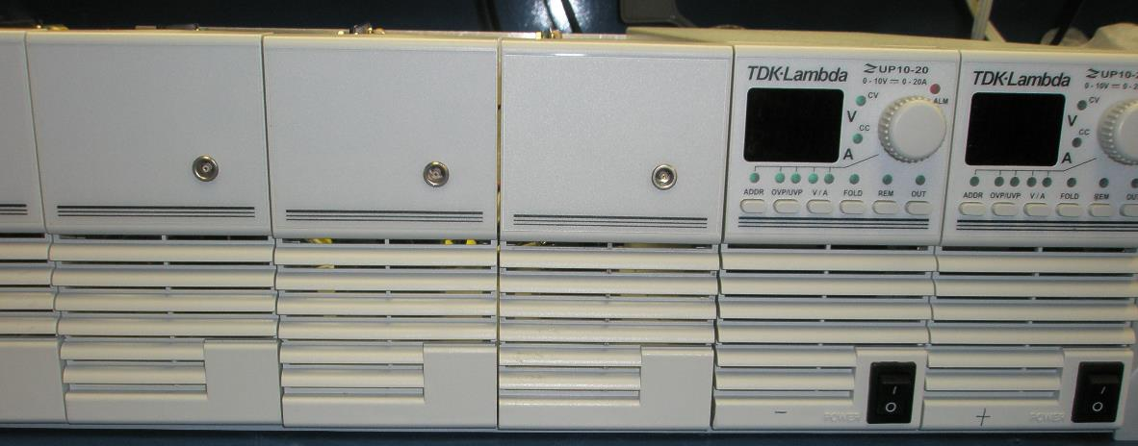

 |  |  |  |  |  |  |  |  |  |  |  |  |  |  |  | bulk supplies | ZUP/NL100 |  | $391.00
 |  |  |  |  |  |  |  |  |  |  |  |  |  |  |  |  | zup20-10 |  | $1,147.88 | This assumes 1/2 current from each bulk supply.
 |  |  |  |  |  |  |  |  |  |  |  |  |  |  |  |  | zup20-10 |  | $1,147.88 | This assumes 1/2 current from each bulk supply.
 |  |  |  |  |  |  |  |  |  |  |  |  |  |  |  |  |  |  | $2,686.76
 |  |  |  |  |  |  |  |  |  |  |  |  |  |  |  | support equipment |  |  | $906.13
 |  |  |  |  |  |  |  |  |  |  |  |  |  |  |  |  |  | Total | $3,592.89

